008_DWG_ME
Project name | Barcode Reader |  | Rev. | Discription | Creator | Date | Page
Custumer | Thai Yokorei Co.,Ltd. (Daifuku) |  | △1 |  | Warit | 18-Aug'25 | (8/1)
Shot name | - |  | △2
Project Number | - |  | △3
Page name | Mechanical drawing | 008 | △4
Name | QR reader Stand

Conecept/Drawing
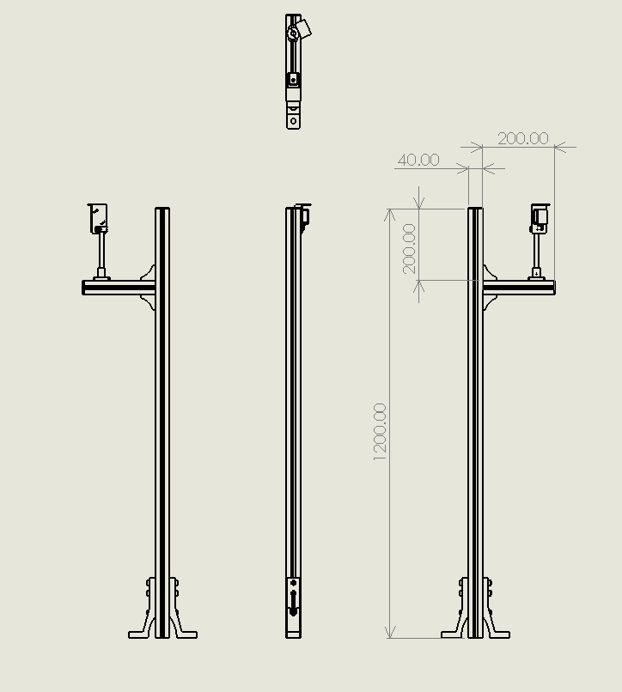 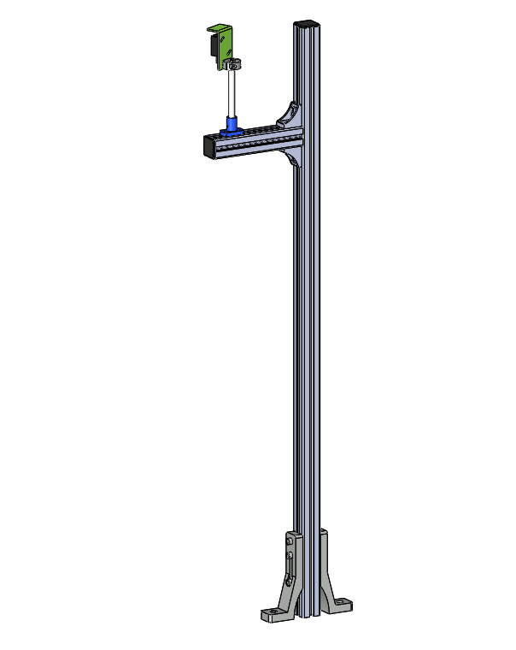 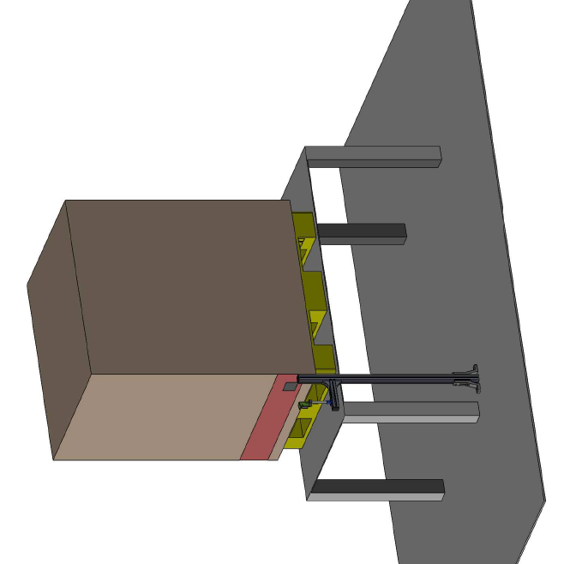 0

