Summary
Project punch list
Customer :
Project name : |  |  |  |  |  |  |  |  |  |  |  |  |  |  |  |  |  |  |  | Create:19-Jun-2025
 |  |  |  |  |  |  |  |  | Cause of a problem T/L |  | Problem solving T/L |  |  |  |  | Custumer Confirmation |  |  |  | Update:19-Jun-2025
No. | Issuing Date | Issue Category | Function/Root | Picture/Screen shot | Description ENG | Cause of a problem ENG | Solve problems ENG | In charge | Plan | Actual | Plan |  | Actual |  | Status | Date | PIC | Status | Note | PIC
 |  |  |  |  |  |  |  |  | End | End | Start | End | Start | End
1 | 19-Jun-25 | Problem | Monitoring Vertical Axis | 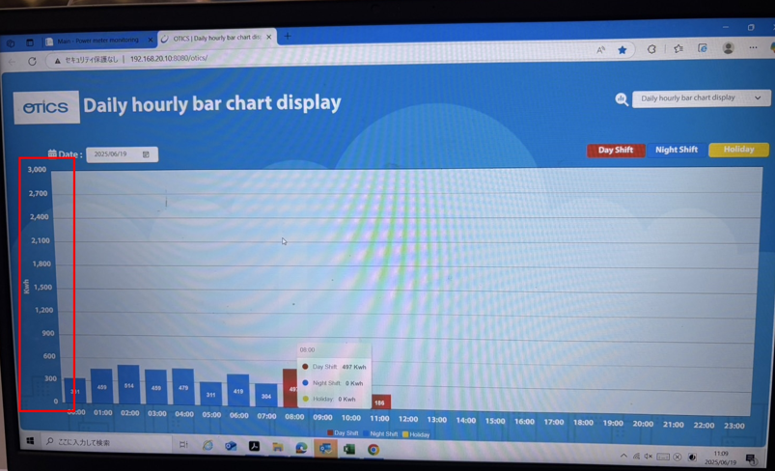 | Another phenomenon is that the vertical axis of the monitor display does not fluctuate according to the actual values. |  |  | Tomas Tech Nattaporn | 19-Jun-25 | 20-Jun-25 | 20-Jun-25 |  |  |  | 0%
2 | 19-Jun-25 | Request | Log Data | 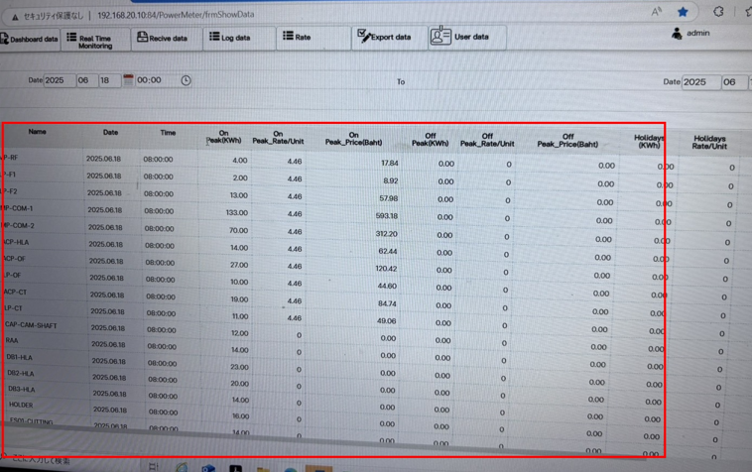 | The default display is up to 20. The actual distribution board has 29, so please change it. |  |  | Tomas Tech Pairoj | 19-Jun-25 | 20-Jun-25 | 20-Jun-25 |  |  |  | 0%

7
8
9
10
11
12
13
14
15
16
17
18
19
20
21
22
23

