Safety Model
Locking type
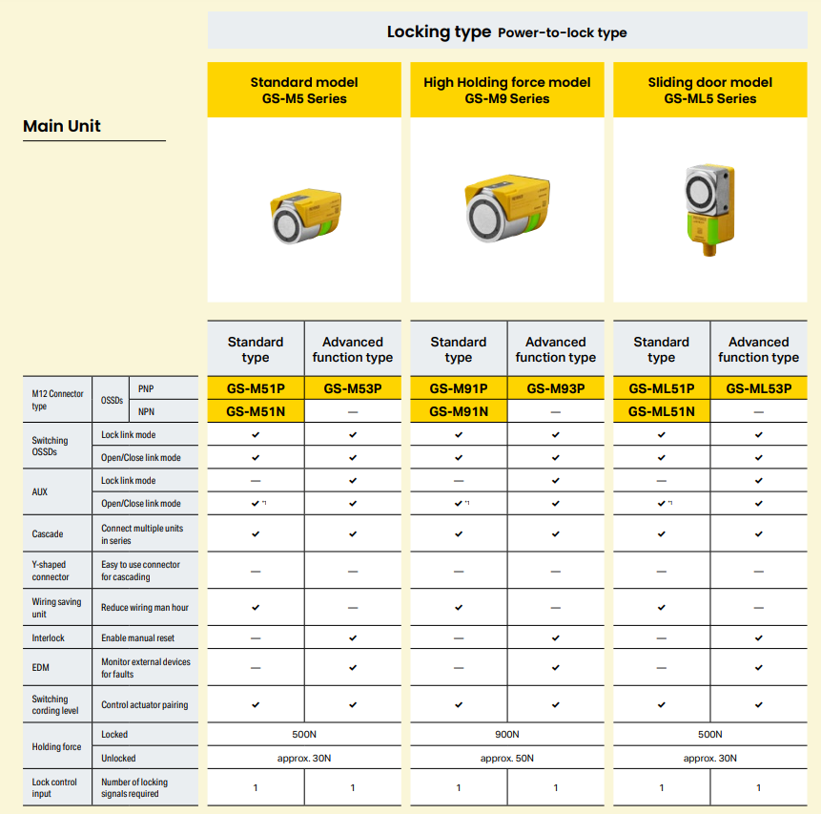

Actuator

Close/Open Type

Slide type

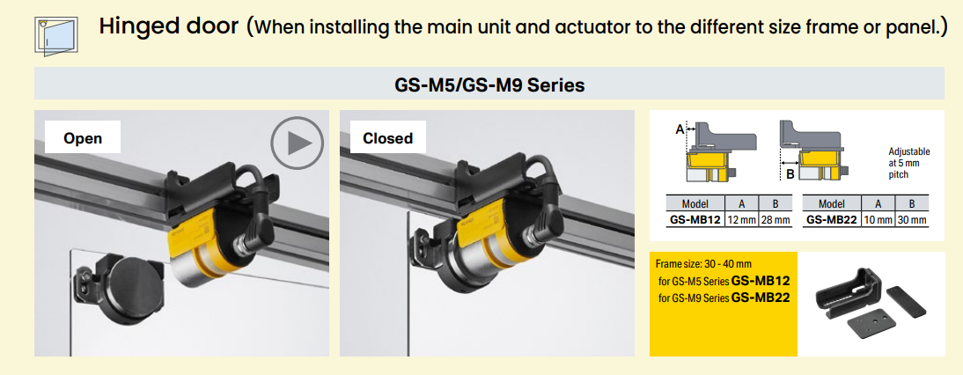
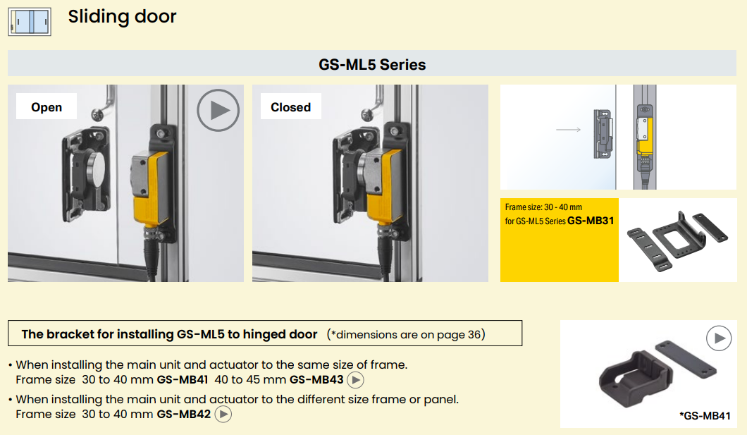
brackets

Connector
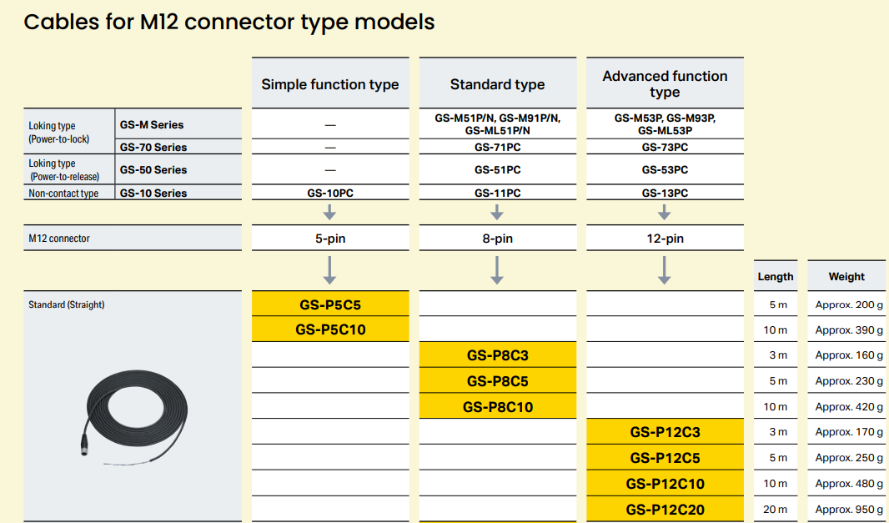

Installation
Use GS-ML5 For mixer and slide door
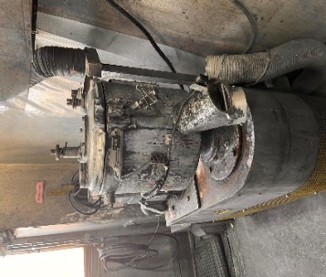
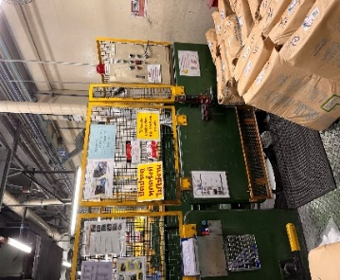

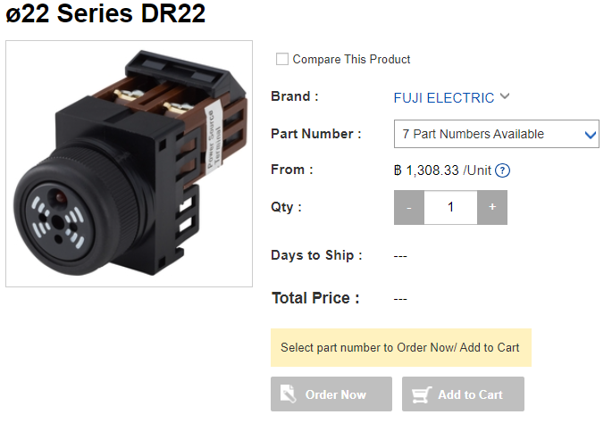

Junction box

***Must be check installation point at site

***Must be check installation point and make support interlock at site again
***Must be check installation point and make support interlock at site again

***Must be check installation point at site

Sefety wiring Diagram
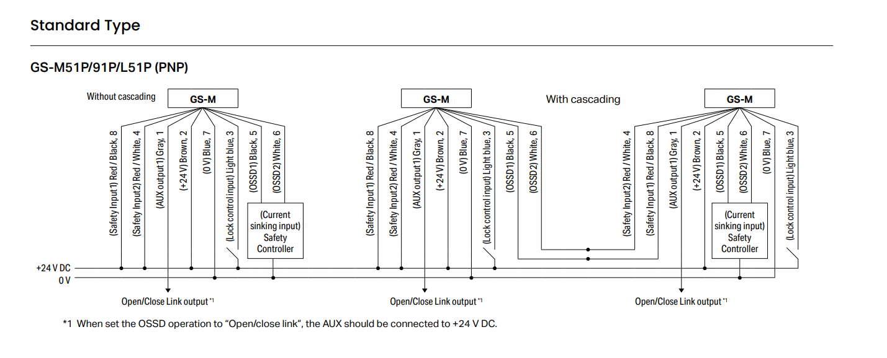
Select to NPN Type

Wiring scope
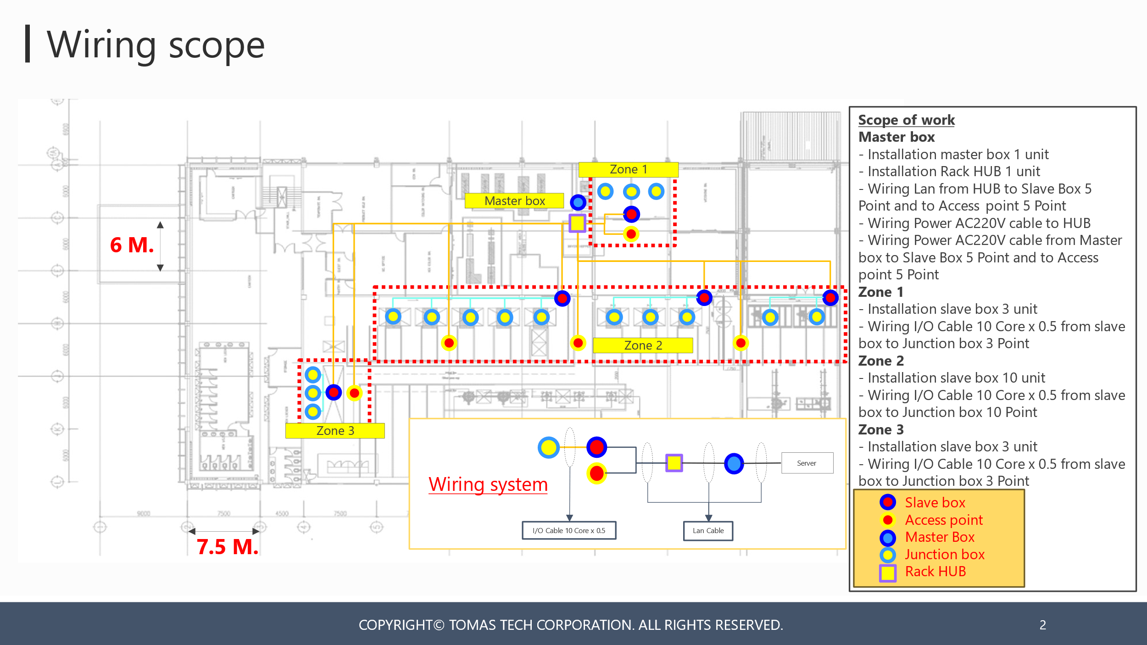

Data
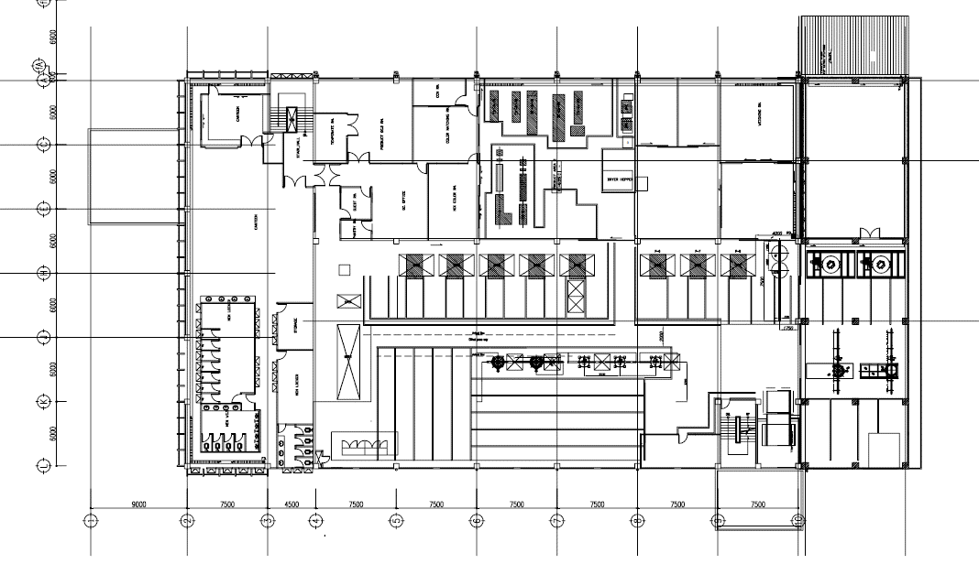
計量室
mixer
2 groups
mixer
1 unit
タンブラー10基
mixaco
There is an enclosure. Power on with lock management
small mixer
No enclosure
High speed mixer No.4
No enclosure. Power on with lock management
ハイスピードミキサーNo.1,2,3
囲いあり。施錠管理で電源on

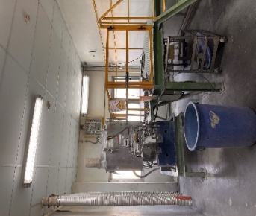
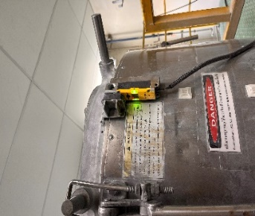
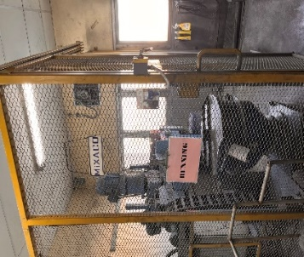
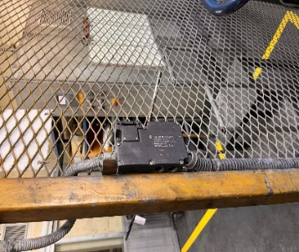

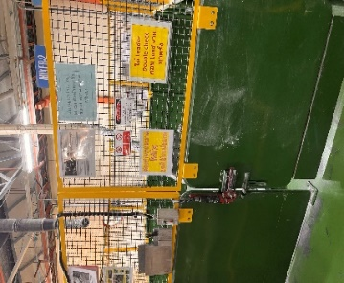
Weighing room
M

High speed mixer No.1,2,3
There is an enclosure. Power on with lock management

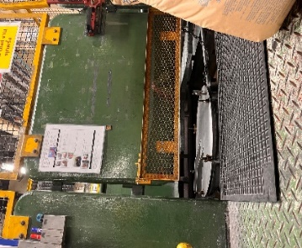
10 tumblers
ミキサー
(タンブラー扱い)
3基
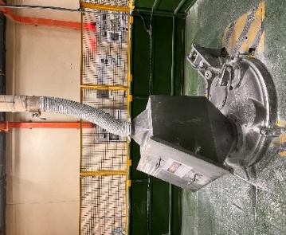

mixer
(treated as a tumbler)
3 units

